Sheet1
Filtering Cost Table

Step 1. | Click "Options"
Step 2. | Click "Enable Filtering"
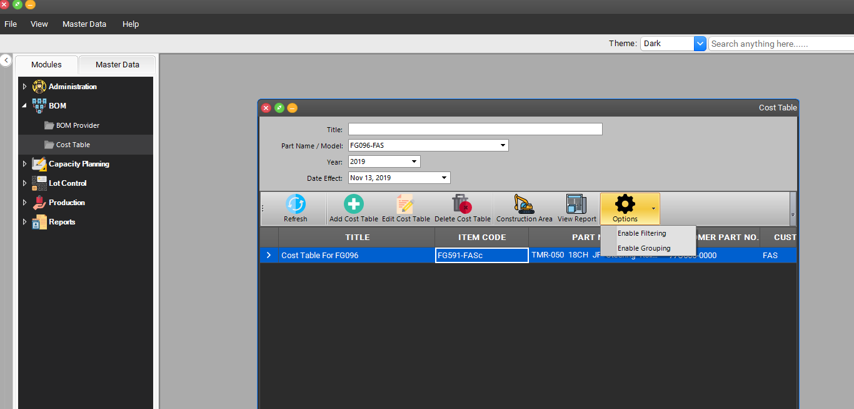

Step 1

Step 2

In the future this area will occupied by other cost table record for another FG

Step 3. | The filter row will appear
Step 4. | You can type the keyword that you want to search in every column
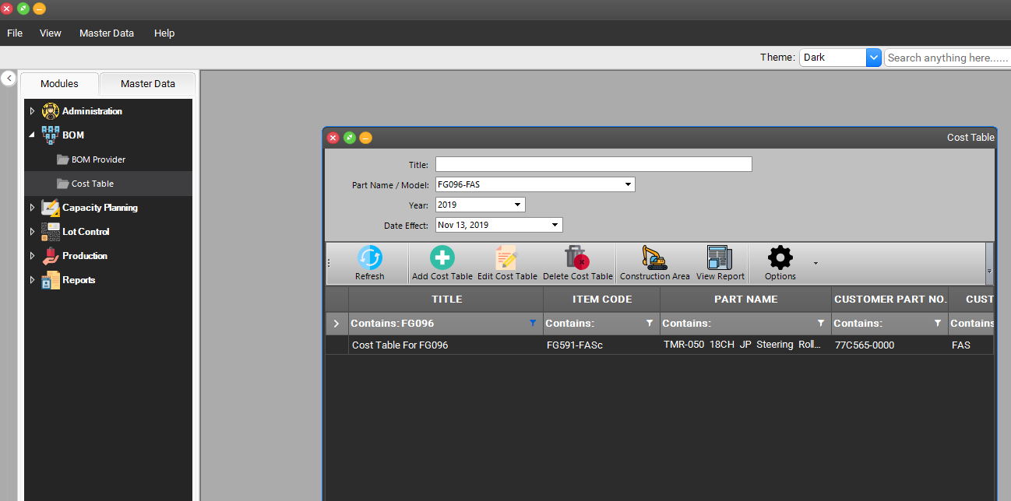

Step 4

Step 3

